Sheet1
 |  |  |  |  |  |  |  | média
 |  |  |  |  |  |  |  | 8.6870114943
 |  |  |  |  |  |  |  | dp
 |  |  |  |  |  |  |  | 8.7042515828
sex | sex(dummizado) | diagnosis | diagnosis (dummy) | diagnosis (dummy) | diagnosis (dummy) | loc | loc (dummy) | gtv | gtv (padronizado) | stereo | stereo (dummy) | time | time | p(xj) | LLj | LL | beta0 | beta1 | beta2 | beta3 | beta4 | beta5 | beta6 | beta7
Female | 0 | Meningioma | 1 | 0 | 0 | Infratentorial | 1 | 6.11 | -0.29606353513 | SRS | 1 | 57.64 | 1 | 0.85463880628 | -0.15707634809 | -48.864773568 | -1.5305412484 | -0.015238711498 | 2.2495822923 | -0.018052621492 | 1.6139162236 | 0.85468540009 | -0.19376746475 | 0.14036337003
Male | 1 | HG glioma | 0 | 1 | 0 | Supratentorial | 0 | 19.35 | 1.2250322046 | SRT | 0 | 8.98 | 0 | 0.14170457012 | -0.15280691489
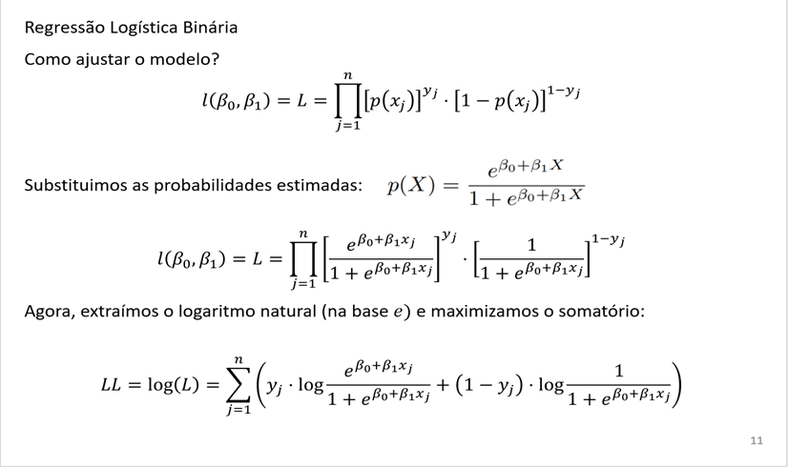
Female | 0 | Meningioma | 1 | 0 | 0 | Infratentorial | 1 | 7.95 | -0.084672586407 | SRS | 1 | 26.46 | 1 | 0.84947593065 | -0.16313567182
Female | 0 | LG glioma | 0 | 0 | 1 | Supratentorial | 0 | 7.61 | -0.12373395737 | SRT | 0 | 47.8 | 1 | 0.52681190387 | -0.64091171281
Male | 1 | HG glioma | 0 | 1 | 0 | Supratentorial | 0 | 5.06 | -0.41669423956 | SRT | 0 | 6.3 | 0 | 0.18496102681 | -0.20451934702
Female | 0 | Meningioma | 1 | 0 | 0 | Supratentorial | 0 | 4.82 | -0.44426697201 | SRS | 1 | 52.75 | 1 | 0.72020705485 | -0.32821653213
Male | 1 | Meningioma | 1 | 0 | 0 | Supratentorial | 0 | 3.19 | -0.63153177984 | SRT | 0 | 55.8 | 1 | 0.69554504795 | -0.36305949912
Male | 1 | LG glioma | 0 | 0 | 1 | Supratentorial | 0 | 12.37 | 0.42312523607 | SRT | 0 | 42.1 | 1 | 0.49653714524 | -0.70009698411
Female | 0 | Meningioma | 1 | 0 | 0 | Supratentorial | 0 | 12.16 | 0.39899909518 | SRT | 0 | 34.66 | 1 | 0.65514397304 | -0.42290026134
Male | 1 | HG glioma | 0 | 1 | 0 | Supratentorial | 0 | 2.53 | -0.70735679406 | SRT | 0 | 11.48 | 0 | 0.19360247821 | -0.21517845485
Male | 1 | LG glioma | 0 | 0 | 1 | Supratentorial | 0 | 0.14 | -0.98193525463 | SRT | 0 | 35.93 | 1 | 0.56424376402 | -0.57226891516
Female | 0 | Meningioma | 1 | 0 | 0 | Infratentorial | 1 | 6.54 | -0.2466623895 | SRS | 1 | 34.26 | 1 | 0.85344558098 | -0.15847349862
Female | 0 | Meningioma | 1 | 0 | 0 | Infratentorial | 1 | 0.63 | -0.92564092589 | SRS | 1 | 32.98 | 1 | 0.86914827314 | -0.14024154326
Female | 0 | Meningioma | 1 | 0 | 0 | Supratentorial | 0 | 9.18 | 0.056637667358 | SRT | 0 | 41.44 | 1 | 0.66997378781 | -0.40051669003
Female | 0 | HG glioma | 0 | 1 | 0 | Supratentorial | 0 | 11.38 | 0.30938771474 | SRS | 1 | 7.05 | 0 | 0.18721943718 | -0.2072941163
Female | 0 | Other | 0 | 0 | 0 | Infratentorial | 1 | 24 | 1.7592538957 | SRT | 0 | 6.82 | 0 | 0.26566250205 | -0.30878654958
Male | 1 | HG glioma | 0 | 1 | 0 | Supratentorial | 0 | 10.8 | 0.24275361134 | SRT | 0 | 82.56 | 1 | 0.16646781432 | -1.7929532956
Male | 1 | Meningioma | 1 | 0 | 0 | Supratentorial | 0 | 13.49 | 0.55179798746 | SRS | 1 | 6.92 | 0 | 0.67639316503 | -1.1282259724
Female | 0 | Meningioma | 1 | 0 | 0 | Supratentorial | 0 | 2.5 | -0.71080338561 | SRT | 0 | 30.16 | 1 | 0.70198571097 | -0.35384222991
Female | 0 | Meningioma | 1 | 0 | 0 | Supratentorial | 0 | 2.82 | -0.67403974236 | SRS | 1 | 24.39 | 1 | 0.7290901713 | -0.31595786286
Male | 1 | HG glioma | 0 | 1 | 0 | Supratentorial | 0 | 14.44 | 0.66094005338 | SRT | 0 | 14 | 0 | 0.15552596956 | -0.16904129462
Female | 0 | Other | 0 | 0 | 0 | Infratentorial | 1 | 2.11 | -0.75560907583 | SRS | 1 | 10.49 | 0 | 0.40393878597 | -0.5174119091
Female | 0 | Meningioma | 1 | 0 | 0 | Infratentorial | 1 | 2.13 | -0.75331134813 | SRS | 1 | 51.02 | 1 | 0.86530359687 | -0.14467485458
Female | 0 | Meningioma | 1 | 0 | 0 | Supratentorial | 0 | 6.48 | -0.25355557261 | SRT | 0 | 33.41 | 1 | 0.68312529869 | -0.3810769828
Male | 1 | LG glioma | 0 | 0 | 1 | Supratentorial | 0 | 4.23 | -0.51204993926 | SRT | 0 | 25.02 | 1 | 0.54174134293 | -0.61296661852
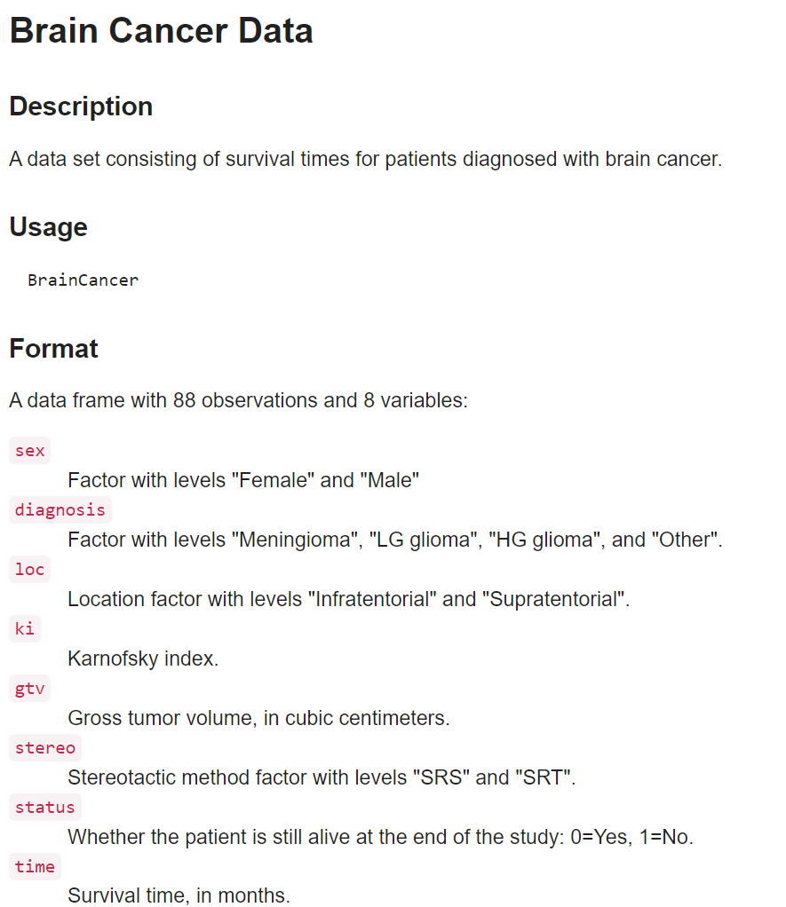
Male | 1 | Other | 0 | 0 | 0 | Supratentorial | 0 | 34.64 | 2.9816450339 | SRT | 0 | 11.57 | 0 | 0.10683118199 | -0.11297967004
Male | 1 | HG glioma | 0 | 1 | 0 | Supratentorial | 0 | 33.69 | 2.872502968 | SRT | 0 | 0.07 | 0 | 0.10712691468 | -0.11331082991
Male | 1 | Meningioma | 1 | 0 | 0 | Supratentorial | 0 | 3.81 | -0.56030222103 | SRT | 0 | 36.1 | 1 | 0.69261445022 | -0.3672817835
Female | 0 | Meningioma | 1 | 0 | 0 | Supratentorial | 0 | 4.72 | -0.45575561052 | SRS | 1 | 65.02 | 1 | 0.72065541864 | -0.32759417738
Female | 0 | LG glioma | 0 | 0 | 1 | Supratentorial | 0 | 0.85 | -0.90036592115 | SRS | 1 | 6.1 | 0 | 0.59825510616 | -0.91193798425
Male | 1 | Meningioma | 1 | 0 | 0 | Supratentorial | 0 | 2.56 | -0.7039102025 | SRS | 1 | 44.39 | 1 | 0.72721943705 | -0.31852700786
Female | 0 | Other | 0 | 0 | 0 | Infratentorial | 1 | 13.45 | 0.54720253206 | SRT | 0 | 10.82 | 0 | 0.31391357478 | -0.37675167491
Male | 1 | Other | 0 | 0 | 0 | Infratentorial | 1 | 6.81 | -0.21564306551 | SRS | 1 | 57.11 | 1 | 0.3754405043 | -0.97965526426
Female | 0 | Meningioma | 1 | 0 | 0 | Supratentorial | 0 | 7.3 | -0.15934873677 | SRT | 0 | 5.51 | 0 | 0.67916075411 | -1.1368150729
Female | 0 | Other | 0 | 0 | 0 | Supratentorial | 0 | 14.26 | 0.64026050405 | SRT | 0 | 7.18 | 0 | 0.16048782407 | -0.17493429878
Female | 0 | Meningioma | 1 | 0 | 0 | Supratentorial | 0 | 6.6 | -0.23976920639 | SRT | 0 | 14.75 | 0 | 0.68254676208 | -1.1474247536
Male | 1 | HG glioma | 0 | 1 | 0 | Supratentorial | 0 | 9.95 | 0.14510018394 | SRT | 0 | 6.23 | 0 | 0.16910996467 | -0.18525782101
Male | 1 | Other | 0 | 0 | 0 | Infratentorial | 1 | 12.51 | 0.43920932999 | SRT | 0 | 29.7 | 1 | 0.31513965795 | -1.1547393799
Female | 0 | Meningioma | 1 | 0 | 0 | Supratentorial | 0 | 2.54 | -0.70620793021 | SRT | 0 | 45.74 | 1 | 0.7017993938 | -0.35410767961
Female | 0 | Meningioma | 1 | 0 | 0 | Supratentorial | 0 | 1.57 | -0.81764772383 | SRT | 0 | 2.03 | 0 | 0.70629861684 | -1.2251917314
Male | 1 | HG glioma | 0 | 1 | 0 | Supratentorial | 0 | 0.28 | -0.9658511607 | SRT | 0 | 16.43 | 0 | 0.20154240563 | -0.22507341935
Female | 0 | Meningioma | 1 | 0 | 0 | Supratentorial | 0 | 6.7 | -0.22828056788 | SRT | 0 | 14.56 | 0 | 0.68206421695 | -1.1459058567
Male | 1 | Meningioma | 1 | 0 | 0 | Supratentorial | 0 | 12.63 | 0.45299569621 | SRT | 0 | 4.16 | 0 | 0.6493143006 | -1.0478649
Male | 1 | Other | 0 | 0 | 0 | Infratentorial | 1 | 3.12 | -0.6395738268 | SRT | 0 | 18.95 | 0 | 0.36189102143 | -0.44924619742
Male | 1 | Meningioma | 1 | 0 | 0 | Supratentorial | 0 | 7.09 | -0.18347487766 | SRS | 1 | 31.25 | 1 | 0.70676360718 | -0.34705902942
Male | 1 | HG glioma | 0 | 1 | 0 | Supratentorial | 0 | 29.27 | 2.3647051455 | SRT | 0 | 5.15 | 0 | 0.11690867958 | -0.12432666309
Female | 0 | Meningioma | 1 | 0 | 0 | Supratentorial | 0 | 26.31 | 2.0246414454 | SRT | 0 | 39.54 | 1 | 0.58096386522 | -0.54306671818
Male | 1 | Meningioma | 1 | 0 | 0 | Supratentorial | 0 | 0.97 | -0.88657955493 | SRT | 0 | 1.41 | 0 | 0.70590806878 | -1.2238628693
Female | 0 | LG glioma | 0 | 0 | 1 | Supratentorial | 0 | 0.19 | -0.97619093537 | SRS | 1 | 11.51 | 0 | 0.60178121602 | -0.92075371623
Female | 0 | HG glioma | 0 | 1 | 0 | Supratentorial | 0 | 0.04 | -0.99342389314 | SRT | 0 | 31.67 | 1 | 0.20487478127 | -1.5853563095
Female | 0 | Meningioma | 1 | 0 | 0 | Infratentorial | 1 | 9.24 | 0.063530850469 | SRT | 0 | 26.85 | 1 | 0.82655647917 | -0.1904870287
Male | 1 | HG glioma | 0 | 1 | 0 | Supratentorial | 0 | 2.5 | -0.71080338561 | SRT | 0 | 9.77 | 0 | 0.19370676268 | -0.21530778463
Male | 1 | Meningioma | 1 | 0 | 0 | Infratentorial | 1 | 24.41 | 1.8063573136 | SRT | 0 | 39.54 | 1 | 0.77002891022 | -0.2613272191
Female | 0 | HG glioma | 0 | 1 | 0 | Supratentorial | 0 | 0.63 | -0.92564092589 | SRT | 0 | 16.92 | 0 | 0.20274350828 | -0.22657883048
Male | 1 | Other | 0 | 0 | 0 | Infratentorial | 1 | 0.48 | -0.94287388367 | SRS | 1 | 54.43 | 1 | 0.40901642579 | -0.89399996289
Male | 1 | HG glioma | 0 | 1 | 0 | Infratentorial | 1 | 0.22 | -0.97274434381 | SRS | 1 | 33.67 | 1 | 0.40605512015 | -0.90126636467
Male | 1 | HG glioma | 0 | 1 | 0 | Supratentorial | 0 | 3.75 | -0.56719540414 | SRT | 0 | 19.9 | 0 | 0.18939769212 | -0.20997771766
Female | 0 | Other | 0 | 0 | 0 | Supratentorial | 0 | 11.83 | 0.36108658807 | SRT | 0 | 22.03 | 0 | 0.16791061551 | -0.18381541065
Female | 0 | Meningioma | 1 | 0 | 0 | Supratentorial | 0 | 2.47 | -0.71424997717 | SRT | 0 | 17.57 | 0 | 0.70212540487 | -1.2110827027
Female | 0 | HG glioma | 0 | 1 | 0 | Supratentorial | 0 | 12.08 | 0.38980818437 | SRT | 0 | 7.25 | 0 | 0.16463662827 | -0.17988847306
Male | 1 | Meningioma | 1 | 0 | 0 | Supratentorial | 0 | 11.51 | 0.32432294482 | SRT | 0 | 14.62 | 0 | 0.65497023376 | -1.0641245867
Female | 0 | HG glioma | 0 | 1 | 0 | Supratentorial | 0 | 22.87 | 1.6294322804 | SRT | 0 | 3.38 | 0 | 0.13419975352 | -0.14410105929
Male | 1 | Meningioma | 1 | 0 | 0 | Supratentorial | 0 | 4.77 | -0.45001129126 | SRT | 0 | 67.38 | 1 | 0.68804598377 | -0.37389960641
Male | 1 | LG glioma | 0 | 0 | 1 | Supratentorial | 0 | 9.58 | 0.10259222143 | SRT | 0 | 78.75 | 1 | 0.51206196658 | -0.66930963278
Female | 0 | Meningioma | 1 | 0 | 0 | Supratentorial | 0 | 4 | -0.53847380785 | SRT | 0 | 52.23 | 1 | 0.69495329558 | -0.36391063628
Female | 0 | HG glioma | 0 | 1 | 0 | Supratentorial | 0 | 7.59 | -0.12603168507 | SRT | 0 | 4.56 | 0 | 0.17884784132 | -0.19704685336
Male | 1 | Other | 0 | 0 | 0 | Infratentorial | 1 | 0.01 | -0.9968704847 | SRS | 1 | 23.67 | 0 | 0.41154789759 | -0.53025974487
Female | 0 | Meningioma | 1 | 0 | 0 | Supratentorial | 0 | 6.93 | -0.20185669929 | SRS | 1 | 10.1 | 0 | 0.71064478913 | -1.2401002422
Female | 0 | Meningioma | 1 | 0 | 0 | Supratentorial | 0 | 3.63 | -0.58098177036 | SRT | 0 | 32.82 | 1 | 0.69669660242 | -0.36140525363
Male | 1 | Meningioma | 1 | 0 | 0 | Supratentorial | 0 | 8.45 | -0.02722939382 | SRT | 0 | 19.41 | 0 | 0.67019751071 | -1.109261321
Male | 1 | Meningioma | 1 | 0 | 0 | Supratentorial | 0 | 20.93 | 1.4065526932 | SRT | 0 | 31.15 | 1 | 0.60617407088 | -0.50058808849
Male | 1 | LG glioma | 0 | 0 | 1 | Supratentorial | 0 | 2.64 | -0.69471929169 | SRT | 0 | 20.13 | 0 | 0.55051463843 | -0.79965199164
Female | 0 | HG glioma | 0 | 1 | 0 | Supratentorial | 0 | 0.19 | -0.97619093537 | SRT | 0 | 11.02 | 0 | 0.20433136013 | -0.22857246137
Male | 1 | Other | 0 | 0 | 0 | Supratentorial | 0 | 24.91 | 1.8638005062 | SRT | 0 | 19.74 | 0 | 0.1293268352 | -0.13848861388
Female | 0 | Meningioma | 1 | 0 | 0 | Supratentorial | 0 | 31.74 | 2.6484745169 | SRT | 0 | 57.25 | 1 | 0.55128224848 | -0.59550835329
Female | 0 | Meningioma | 1 | 0 | 0 | Supratentorial | 0 | 2.39 | -0.72344088798 | SRS | 1 | 73.74 | 1 | 0.73097672529 | -0.31337365928
Female | 0 | Meningioma | 1 | 0 | 0 | Supratentorial | 0 | 7.26 | -0.16394419218 | SRT | 0 | 49.05 | 1 | 0.67935475341 | -0.38661182334
Female | 0 | Meningioma | 1 | 0 | 0 | Supratentorial | 0 | 9.66 | 0.11178313224 | SRT | 0 | 39.25 | 1 | 0.66760687497 | -0.40405578921
Female | 0 | Meningioma | 1 | 0 | 0 | Infratentorial | 1 | 2.94 | -0.66025337614 | SRS | 1 | 1.54 | 0 | 0.86318807622 | -1.9891481155
Female | 0 | HG glioma | 0 | 1 | 0 | Supratentorial | 0 | 15.45 | 0.77697530241 | SRT | 0 | 46.16 | 1 | 0.15457678246 | -1.8670643322
Female | 0 | Other | 0 | 0 | 0 | Supratentorial | 0 | 1.82 | -0.78892612753 | SRT | 0 | 47.11 | 1 | 0.20138298091 | -1.6025468062
Male | 1 | LG glioma | 0 | 0 | 1 | Infratentorial | 1 | 30.41 | 2.4956756246 | SRT | 0 | 1.18 | 0 | 0.60807814357 | -0.9366928049
Male | 1 | HG glioma | 0 | 1 | 0 | Supratentorial | 0 | 0.16 | -0.97963752692 | SRT | 0 | 20.69 | 0 | 0.20197263009 | -0.22561238399
Male | 1 | HG glioma | 0 | 1 | 0 | Supratentorial | 0 | 19.81 | 1.2778799418 | SRT | 0 | 6.39 | 0 | 0.14046367917 | -0.15136219696
Male | 1 | Meningioma | 1 | 0 | 0 | Supratentorial | 0 | 2.5 | -0.71080338561 | SRT | 0 | 32.82 | 1 | 0.69878796472 | -0.35840792365
Male | 1 | Meningioma | 1 | 0 | 0 | Supratentorial | 0 | 2.02 | -0.7659488505 | SRS | 1 | 42.07 | 1 | 0.7295975487 | -0.31526220001
Male | 1 | Other | 0 | 0 | 0 | Infratentorial | 1 | 0.11 | -0.98538184618 | SRT | 0 | 13.9 | 0 | 0.3775031588 | -0.47401672503

